Data Exhibit-1
Data as of 30th Sep'20
Supplier Name | Location | Revenue | Cash from Operations | Credit Rating | S-OTD | Single Source | IP Protection | Data security | Labour Unrests | Environmental Incidents | Credit Score | Single Source rating | Risk Scoring
Plaxian | US | $6,040M | $354M | 3 | 0.91 | Y | N | 9 | Y | N | 30 | 20 | 50
GutesGlas | Germany | $8,293M | $905M | 3 | 0.85 | N | N | 8 | N | N | 30 | 10 | 40
Boavidro | Brazil | $9,287M | $364M | 3 | 0.63 | N | N | 8 | N | N | 30 | 10 | 40
Saanch | India | $3,147M | $436M | 2 | 0.9 | N | N | 9 | N | N | 20 | 10 | 30
RealGlass | China | $37,719M | $3,996M | 1 | 0.82 | Y | Y | 10 | Y | Y | 10 | 20 | 30
Optikiet | China | $113M | $23M | 4 | 0.88 | Y | Y | 7 | N | N | 40 | 20 | 60
BestOGlass | US | $5,379M | $24M | 2 | 0.78 | Y | N | 10 | N | N | 20 | 20 | 40
MedicMetric | Philippines | $10M | $10M | 4 | 0.94 | Y | Y | 7 | N | N | 40 | 20 | 60
Shale | Saudi Arabia | $2,431M | $309M | 3 | 0.86 | N | N | 8 | N | Y | 30 | 10 | 40
Opticful | Italy | $95M | $6M | 3 | 0.92 | N | N | 5 | N | N | 30 | 10 | 40
basicPharm | US | $395M | $9M | 5 | 0.88 | Y | Y | 7 | N | N | 50 | 20 | 70
PharmyLeaf | India | $1,431M | $340M | 2 | 0.79 | N | N | 8 | N | N | 20 | 10 | 30

Financial Scoring

Supplier Name | Location | Revenue | Revenue Scores | Cash from Operations | CFO Scores | Credit Rating | Credit Scores |  | Score distribution for Revenue |  |  | Score Destribution for CR
Plaxian | US | $6,040M | 92 | $354M | 86 | 3 | 80 |  | 0 - 100 | 50 - 59 |  | 1 | 60
GutesGlas | Germany | $8,293M | 97 | $905M | 97 | 3 | 80 |  | 101- 500 | 60 - 69 |  | 2 | 70
Boavidro | Brazil | $9,287M | 98 | $364M | 86 | 3 | 80 |  | 501 - 1000 | 70 - 79 |  | 3 | 80
Saanch | India | $3,147M | 87 | $436M | 88 | 2 | 70 |  | 1000- 5000 | 80 - 89 |  | 4 | 90
RealGlass | China | $37,719M | 100 | $3,996M | 100 | 1 | 60 |  | 5000 - 10000 | 90 - 99 |  | 5 | 100
Optikiet | China | $113M | 62 | $23M | 72 | 4 | 90 |  | 10000+ | 100
BestOGlass | US | $5,379M | 91 | $24M | 72 | 2 | 70
MedicMetric | Philippines | $10M | 51 | $10M | 71 | 4 | 90 |  | Score distribution for CFO
Shale | Saudi Arabia | $2,431M | 85 | $309M | 85 | 3 | 80 |  | 1 - 100 | 70 - 79
Opticful | Italy | $95M | 59 | $6M | 70 | 3 | 80 |  | 100-500 | 80 - 89
basicPharm | US | $395M | 67 | $9M | 70 | 5 | 100 |  | 500 - 1000 | 90 - 99
PharmyLeaf | India | $1,431M | 82 | $340M | 86 | 2 | 70 |  | 1000+ | 100

Financial Weightage | Weight
Revenue | 0.25
CFO | 0.5
Credti rating | 0.25

Vendor\Financial Factors | Revenue | CFO | Credit Rating | Total
Plaxian | 23 | 43 | 20 | 86
GutesGlas | 24.25 | 48.5 | 20 | 93
Boavidro | 24.5 | 43 | 20 | 88
Saanch | 21.75 | 44 | 17.5 | 83
RealGlass | 25 | 50 | 15 | 90
Optikiet | 15.5 | 36 | 22.5 | 74
BestOGlass | 22.75 | 36 | 17.5 | 76
MedicMetric | 12.75 | 35.5 | 22.5 | 71
Shale | 21.25 | 42.5 | 20 | 84
Opticful | 14.75 | 35 | 20 | 70
basicPharm | 16.75 | 35 | 25 | 77
PharmyLeaf | 20.5 | 43 | 17.5 | 81

Supplier Name | Financial | S-OTD | Single Source | IP Protection | Data security | Labour Unrests | Environmental Incidents
Plaxian | 86 | 91 | 100 | 50 | 90 | 100 | 50
GutesGlas | 93 | 85 | 50 | 50 | 80 | 50 | 50
Boavidro | 88 | 63 | 50 | 50 | 80 | 50 | 50
Saanch | 83 | 90 | 50 | 50 | 90 | 50 | 50
RealGlass | 90 | 82 | 100 | 100 | 100 | 100 | 100
Optikiet | 74 | 88 | 100 | 100 | 70 | 50 | 50
BestOGlass | 76 | 78 | 100 | 50 | 100 | 50 | 50
MedicMetric | 71 | 94 | 100 | 100 | 70 | 50 | 50
Shale | 84 | 86 | 50 | 50 | 80 | 50 | 100
Opticful | 70 | 92 | 50 | 50 | 50 | 50 | 50
basicPharm | 77 | 88 | 100 | 100 | 70 | 50 | 50
PharmyLeaf | 81 | 79 | 50 | 50 | 80 | 50 | 50

Factors | Weightage
Financial Scores | 0.15
S-OTD | 0.3
Single Source | 0.1
IP Protection | 0.15
Data security | 0.15
Labour Unrests | 0.1
Environmental | 0.05

Supplier Name | Financial | S-OTD | Single Source | IP Protection | Data security | Labour Unrests | Environmental Incidents | Total
Plaxian | 13 | 27.3 | 10 | 7.5 | 13.5 | 10 | 2.5 | 84
GutesGlas | 14 | 25.5 | 5 | 7.5 | 12 | 5 | 2.5 | 71
Boavidro | 13 | 18.9 | 5 | 7.5 | 12 | 5 | 2.5 | 64
Saanch | 12 | 27 | 5 | 7.5 | 13.5 | 5 | 2.5 | 73
RealGlass | 14 | 24.6 | 10 | 15 | 15 | 10 | 5 | 93
Optikiet | 11 | 26.4 | 10 | 15 | 10.5 | 5 | 2.5 | 81
BestOGlass | 11 | 23.4 | 10 | 7.5 | 15 | 5 | 2.5 | 75
MedicMetric | 11 | 28.2 | 10 | 15 | 10.5 | 5 | 2.5 | 82
Shale | 13 | 25.8 | 5 | 7.5 | 12 | 5 | 5 | 73
Opticful | 10 | 27.6 | 5 | 7.5 | 7.5 | 5 | 2.5 | 66
basicPharm | 12 | 26.4 | 10 | 15 | 10.5 | 5 | 2.5 | 81
PharmyLeaf | 12 | 23.7 | 5 | 7.5 | 12 | 5 | 2.5 | 68

Supplier Scores

Data Exhibit-3_Graphs
Demand Trend
Demand History and Projections
Demand Projections | Q3 2020 (actual) | Q4 2020 | Q1 2021 | Q2 2021

Ampoules | 15 | 55 | 60 | 65
Vials | 5 | 20 | 30 | 35
Syringes | 10 | 35 | 40 | 45

Product-wise cycle time
Product | Cycle Time (hours)
Ampoules | 60
Vials | 63
Syringes | 57
Product Cycle time breakup
Cycle time breakup by product and line
Cycle Time (hours/process) |  | Tubing | Hot-forming | Washing | Packing
Ampoules |  | 6 | 12 | 18 | 24
Vials |  | 9 | 9 | 21 | 24
Syringes |  | 6 | 9 | 18 | 24

Net lot equivalent rejected in a quarter
Product | Bend tubing Rejects | Contamination rejects | Glass breakages | Air bubbles
Ampoules | 1 | 5.7 | 3.5 | 2.8
Vials | 2.8 | 6 | 3.2 | 3
Syringes | 3.4 | 5.2 | 2.8 | 2.6

Net Rejection in a Quarter

Data Exhibit-4 (2)
4-step manufacturing process for all 3 products in Fabricadas
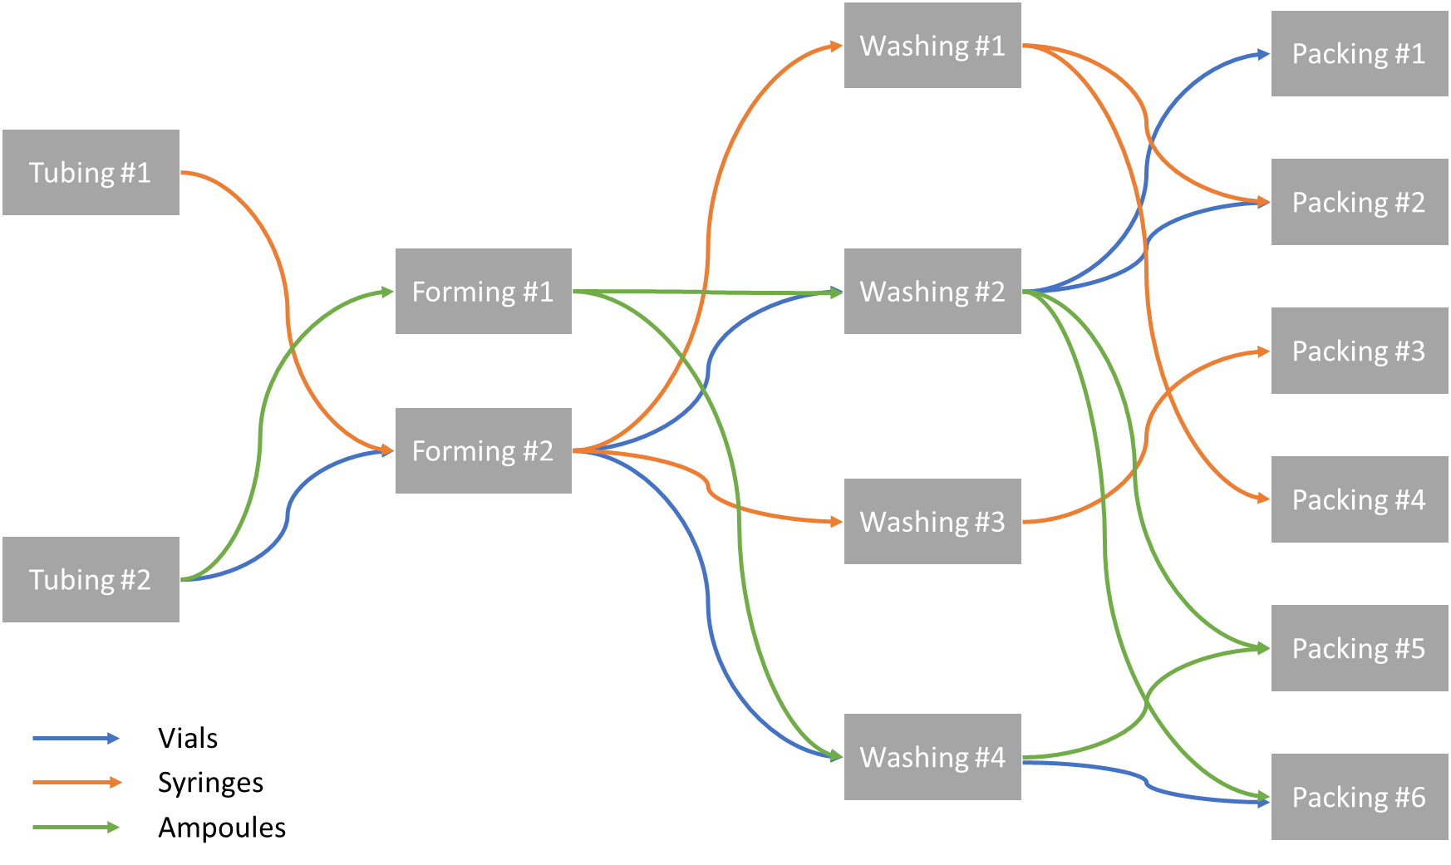

 |  |  |  | 1. Make table for All 3 product lines with binary matrix for which 1 is allowed. (Binary Matrix)- Assignment Matrix

 |  |  |  | For above- How to create sequence?- Process flow

 |  |  |  | 2. Use Table 2 for constraints on working hours

Fabricadas Utilization and Stoppages
Unit | Weekends and Holidays | Planned shutdowns | Unplanned shutdowns
Tubing #1 | 115 | 10 | 15
Tubing #2 | 115 | 10 | 20
Forming #1 | 115 | 10 | 15
Forming #2 | 115 | 10 | 25
Washing #1 | 115 | 10 | 15
Washing #2 | 115 | 10 | 20
Washing #3 | 115 | 10 | 20
Washing #4 | 115 | 10 | 15
Packing #1 | 115 | 10 | 20
Packing #2 | 115 | 10 | 20
Packing #3 | 115 | 10 | 25
Packing #4 | 115 | 10 | 15
Packing #5 | 115 | 10 | 20
Packing #6 | 115 | 10 | 20

Data Exhibit-4
4-step manufacturing process for all 3 products in Fabricadas

Fabricadas Utilization and Stoppages
Fabricadas Utilization and Stoppages
Unit | Weekends and Holidays | Planned shutdowns | Unplanned shutdowns
Tubing #1 | 115 | 10 | 15
Tubing #2 | 115 | 10 | 20
Forming #1 | 115 | 10 | 15
Forming #2 | 115 | 10 | 25
Washing #1 | 115 | 10 | 15
Washing #2 | 115 | 10 | 20
Washing #3 | 115 | 10 | 20
Washing #4 | 115 | 10 | 15
Packing #1 | 115 | 10 | 20
Packing #2 | 115 | 10 | 20
Packing #3 | 115 | 10 | 25
Packing #4 | 115 | 10 | 15
Packing #5 | 115 | 10 | 20
Packing #6 | 115 | 10 | 20

